Appendix - Design Adjustment
Design Adjustment Criteria
Provided for reference. Full datasets can be found in the Climate Resiliency Design Guidelines Appendices.

HEAT
Current and projected extreme heat events and design criteria.
 | Extreme heat events |  |  | Design criteria
End of | # of heat waves per year | # days at or above 90°F | Annual average temperature | 1% Dry Bulb temperature | Cooling Degree Days
useful life |  |  |  |  | (base = 65°F)
Historic Trend | 2 | 18 | 54°F | 91°F | 1,149
(1971-2000)
2020s | 4 | 33 | 57.2°F | -- | --
(through to 2039)
2050s | 7 | 57 | 60.6°F | 98°F | 2,149
(2040-2069)
2080s | 9 | 87 | 64.3°F | -- | --
(2070-2099)
Note: Due to HVAC system typical useful life of around 25 years, only design criteria projections for the 2050s are shown. Projections for the 2020s are not shown because it is anticipated that enough of a safety margin is employed already in current systems to withstand the temperature rise expected through the 2020s. The NPCC is developing projections of 1% Wet Bulb temperatures, which are expected to increase. This design criteria will be added in a later version of the Guidelines.

PRECIPITATION
DEP Stormwater Management Practice Hierarchy for Separate Sewer Areas |  |  |  |  |  | DEP Stormwater Management Practice Hierarchy for Combined Sewer Areas

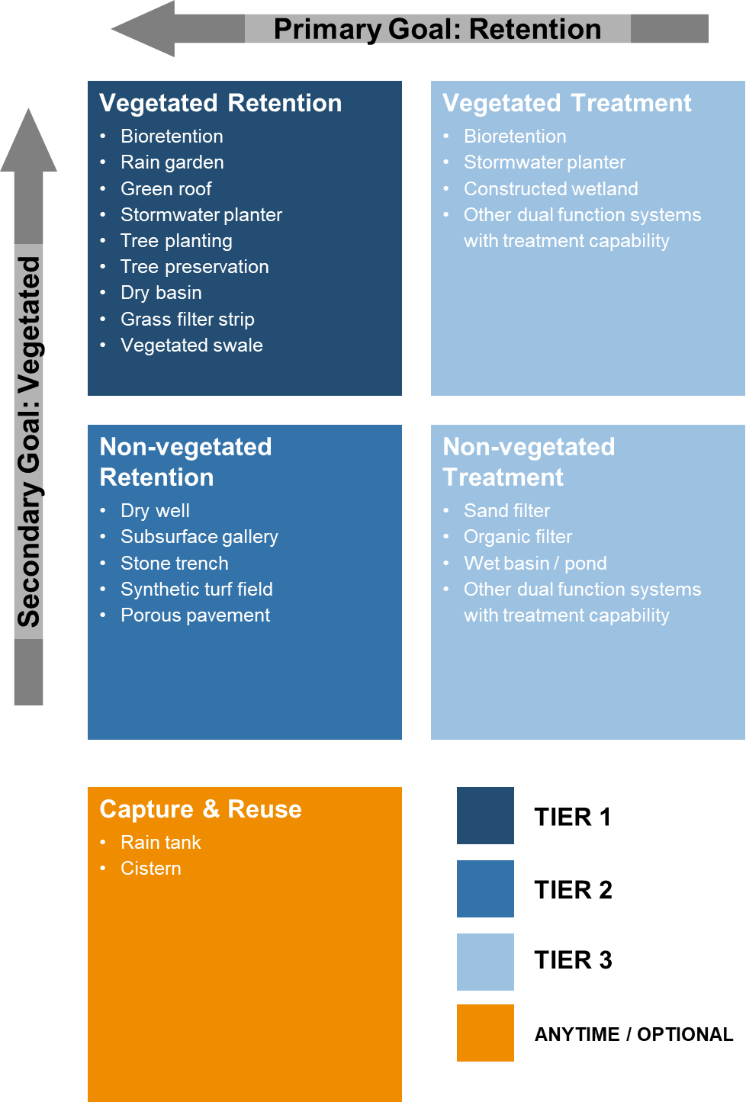
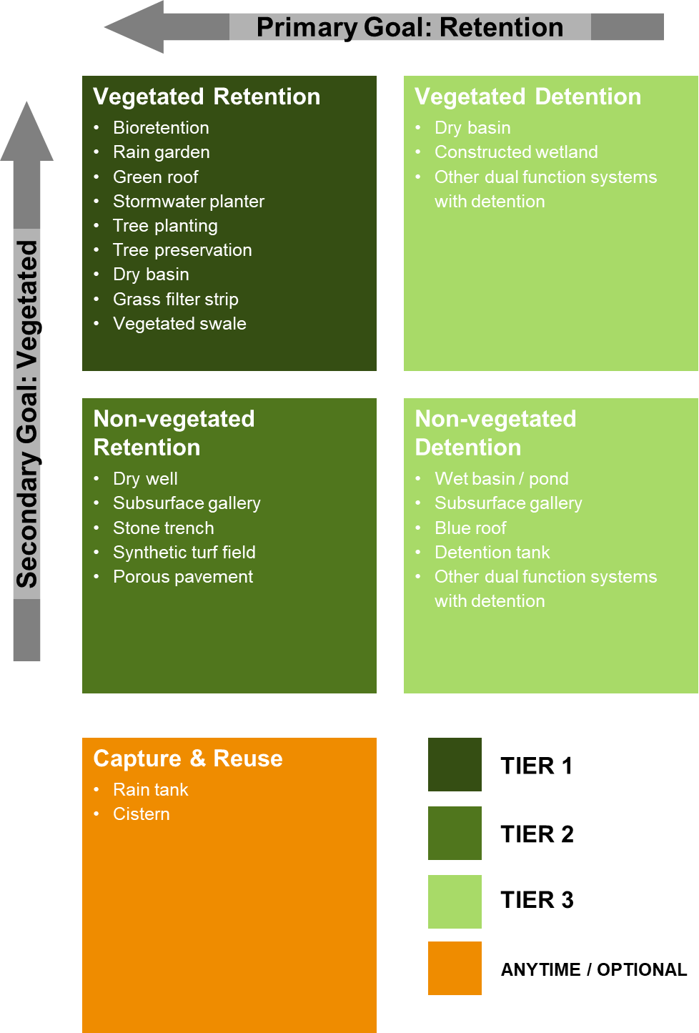

SEA LEVEL RISE
Sea level rise-adjusted (SLRA) design flood elevation (DFE)
Critical* Facilities
End of Useful Life | Base Flood Elevation (BFE)56 in NAVD 88 | + Freeboard57 | + Sea Level Rise Adjustment58 | = Design Flood Elevation (DFE) in NAVD 88
2020s | FEMA 1% (PFIRM) | 24” | 6” | = FEMA 1% + 30”
(through to 2039)
2050s | FEMA 1% (PFIRM) | 24” | 16” | = FEMA 1% + 40”
(2040-2069)
2080s | FEMA 1% (PFIRM) | 24” | 28” | = FEMA 1% + 52”
(2070-2099)
2100+ | FEMA 1% (PFIRM) | 24” | 36” | = FEMA 1% + 60”
Non-critical Facilities
2020s | FEMA 1% (PFIRM) | 12” | 6” | = FEMA 1% + 18”
(through to 2039)
2050s | FEMA 1% (PFIRM) | 12” | 16” | = FEMA 1% + 28”
(2040-2069)
2080s | FEMA 1% (PFIRM) | 12” | 28” | = FEMA 1% + 40”
(2070-2099)
2100+ | FEMA 1% (PFIRM) | 12” | 36” | = FEMA 1% + 48”
Additional analysis should be conducted to incorporate wave action and wave run-up in DFE calculations especially in areas that are located within the FEMA’s 1% annual chance Limit of Moderate Wave Action (LiMWA) zone. Wave run-up is the maximum vertical extent of wave uprush above surge.

